Felet (Poi)
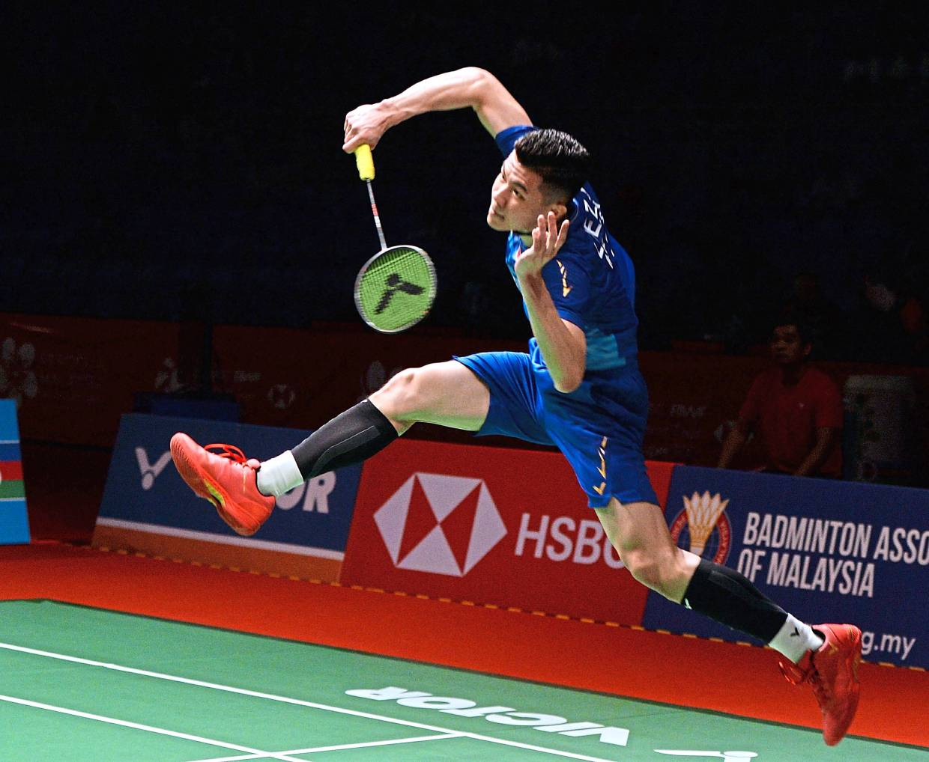
Tube price | 75 | Players | 2024-02-18 | 2024-02-21 |  |  |  |  |  |  |  | Pay | Total | Frequency
No. of ball | 12 | Poi | 1 | 1 |  |  |  |  |  |  |  | Poi | 2.71 | 2
Ball price | 6.25 | ZT |  | 2 |  |  |  |  |  |  |  | ZT | 1.25 | 1
 |  | YZ | 1 | 1 |  |  |  |  |  |  |  | YZ | 2.71 | 2
Tube Holder | Poi | KC | 1 | 1 |  |  |  |  |  |  |  | KC | 2.71 | 2
 |  | CJ |  | 1 |  |  |  |  |  |  |  | CJ | 0.63 | 1
Balls left | 9 | HX | 2 | 1 |  |  |  |  |  |  |  | HX | 4.79 | 2
 |  | JZ |  | 1 |  |  |  |  |  |  |  | JZ | 0.63 | 1
 |  | LW |  |  |  |  |  |  |  |  |  | LW | 0.00 | 0
 |  | KY |  | 1 |  |  |  |  |  |  |  | KY | 0.63 | 1
 |  | Jit Loong |  |  |  |  |  |  |  |  |  | Jit Loong | 0.00 | 0
 |  | Matthew |  |  |  |  |  |  |  |  |  | Matthew | 0.00 | 0
 |  | Hau Jin | 1 |  |  |  |  |  |  |  |  | Hau Jin | 2.08 | 1
 |  | Kit Liang |  |  |  |  |  |  |  |  |  | Kit Liang | 0.00 | 0
 |  | YL |  | 1 |  |  |  |  |  |  |  | YL | 0.63 | 1
 |  | YX |  |  |  |  |  |  |  |  |  | YX | 0.00 | 0
 |  | ZL |  |  |  |  |  |  |  |  |  | ZL | 0.00 | 0
 |  |  |  |  |  |  |  |  |  |  |  |  | 18.75
 |  | User | 6 | 10 | 0 | 0 | 0 | 0 | 0 | 0 | 0
 |  | Ball usage | 2 | 1
 |  | Weightage price | 2.08 | 0.63 | 0.00 | 0.00 | 0.00 | 0.00 | 0.00 | 0.00 | 0.00

 |  | Pay | 2024-02-18 | 2024-02-21
 |  | Poi | 2.08 | 0.63 | 0.00 | 0.00 | 0.00 | 0.00 | 0.00 | 0.00 | 0.00
 |  | ZT | 0.00 | 1.25 | 0.00 | 0.00 | 0.00 | 0.00 | 0.00 | 0.00 | 0.00
 |  | YZ | 2.08 | 0.63 | 0.00 | 0.00 | 0.00 | 0.00 | 0.00 | 0.00 | 0.00
 |  | KC | 2.08 | 0.63 | 0.00 | 0.00 | 0.00 | 0.00 | 0.00 | 0.00 | 0.00
 |  | CJ | 0.00 | 0.63 | 0.00 | 0.00 | 0.00 | 0.00 | 0.00 | 0.00 | 0.00
 |  | HX | 4.17 | 0.63 | 0.00 | 0.00 | 0.00 | 0.00 | 0.00 | 0.00 | 0.00
 |  | JZ | 0.00 | 0.63 | 0.00 | 0.00 | 0.00 | 0.00 | 0.00 | 0.00 | 0.00
 |  | LW | 0.00 | 0.00 | 0.00 | 0.00 | 0.00 | 0.00 | 0.00 | 0.00 | 0.00
 |  | KY | 0.00 | 0.63 | 0.00 | 0.00 | 0.00 | 0.00 | 0.00 | 0.00 | 0.00
 |  | Jit Loong | 0.00 | 0.00 | 0.00 | 0.00 | 0.00 | 0.00 | 0.00 | 0.00 | 0.00
 |  | Matthew | 0.00 | 0.00 | 0.00 | 0.00 | 0.00 | 0.00 | 0.00 | 0.00 | 0.00
 |  | Hau Jin | 2.08 | 0.00 | 0.00 | 0.00 | 0.00 | 0.00 | 0.00 | 0.00 | 0.00
 |  | Kit Liang | 0.00 | 0.00 | 0.00 | 0.00 | 0.00 | 0.00 | 0.00 | 0.00 | 0.00
 |  | YL | 0.00 | 0.63 | 0.00 | 0.00 | 0.00 | 0.00 | 0.00 | 0.00 | 0.00
 |  | YX | 0.00 | 0.00 | 0.00 | 0.00 | 0.00 | 0.00 | 0.00 | 0.00 | 0.00
 |  | ZL | 0.00 | 0.00 | 0.00 | 0.00 | 0.00 | 0.00 | 0.00 | 0.00 | 0.00

 |  | Sum | 12.50 | 6.25 | 0.00 | 0.00 | 0.00 | 0.00 | 0.00 | 0.00 | 0.00

KeePro (CJ)
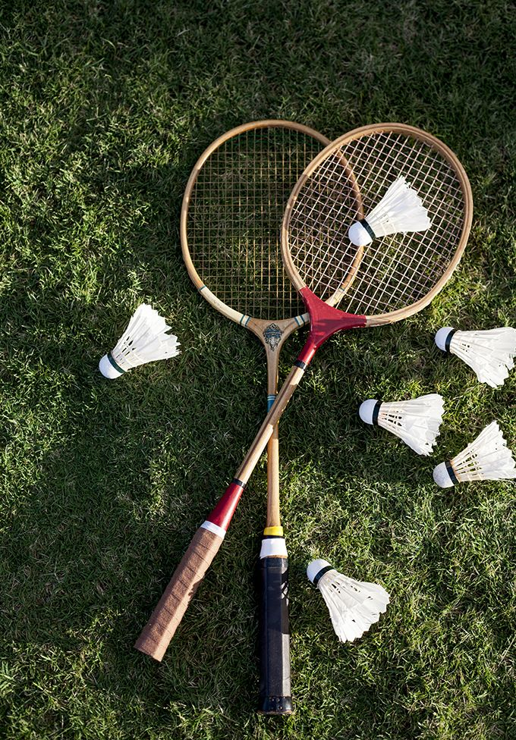
Tube price | 30 | Players | 2023-01-29 | 2023-02-01 | 2023-02-05 |  |  |  |  |  |  | Pay | Total | Frequency
No. of ball | 12 | Poi |  |  | 1 |  |  |  |  |  |  | Poi | 0.28 | 1
Ball price | 2.5 | ZT | 1 | 1 | 1 |  |  |  |  |  |  | ZT | 2.67 | 3
 |  | YZ |  |  |  |  |  |  |  |  |  | YZ | 0.00 | 0
Tube Holder | CJ | KC | 1 | 1 | 1 |  |  |  |  |  |  | KC | 2.67 | 3
 |  | CJ | 1 | 1 | 1 |  |  |  |  |  |  | CJ | 2.67 | 3
Balls left | 3 | HX |  |  |  |  |  |  |  |  |  | HX | 0.00 | 0
 |  | JZ |  |  |  |  |  |  |  |  |  | JZ | 0.00 | 0
 |  | LW | 1 | 1 | 1 |  |  |  |  |  |  | LW | 2.67 | 3
 |  | HJ | 1 | 1 |  |  |  |  |  |  |  | HJ | 2.40 | 2
 |  | KL | 1 | 1 |  |  |  |  |  |  |  | KL | 2.40 | 2
 |  | Matthew | 1 | 1 | 1 |  |  |  |  |  |  | Matthew | 2.67 | 3
 |  | KY | 1 | 1 | 1 |  |  |  |  |  |  | KY | 2.67 | 3
 |  | YL | 1 |  | 1 |  |  |  |  |  |  | YL | 1.11 | 2
 |  | JL |  |  |  |  |  |  |  |  |  | JL | 0.00 | 0
 |  | Jess |  |  | 1 |  |  |  |  |  |  | Jess | 0.28 | 1
 |  | ZL |  |  |  |  |  |  |  |  |  | ZL | 0.00 | 0
 |  |  |  |  |  |  |  |  |  |  |  |  | 22.50
 |  | User | 9 | 8 | 9 | 0 | 0 | 0 | 0 | 0 | 0
 |  | Ball usage | 3 | 5 | 1 | 0 | 0 | 0
 |  | Weightage price | 0.83 | 1.56 | 0.28 | 0.00 | 0.00 | 0.00 | 0.00 | 0.00 | 0.00

 |  | Pay | 2023-01-29 | 2023-02-01 | 2023-02-05
 |  | Poi | 0.00 | 0.00 | 0.28 | 0.00 | 0.00 | 0.00 | 0.00 | 0.00 | 0.00
 |  | ZT | 0.83 | 1.56 | 0.28 | 0.00 | 0.00 | 0.00 | 0.00 | 0.00 | 0.00
 |  | YZ | 0.00 | 0.00 | 0.00 | 0.00 | 0.00 | 0.00 | 0.00 | 0.00 | 0.00
 |  | KC | 0.83 | 1.56 | 0.28 | 0.00 | 0.00 | 0.00 | 0.00 | 0.00 | 0.00
 |  | CJ | 0.83 | 1.56 | 0.28 | 0.00 | 0.00 | 0.00 | 0.00 | 0.00 | 0.00
 |  | HX | 0.00 | 0.00 | 0.00 | 0.00 | 0.00 | 0.00 | 0.00 | 0.00 | 0.00
 |  | JZ | 0.00 | 0.00 | 0.00 | 0.00 | 0.00 | 0.00 | 0.00 | 0.00 | 0.00
 |  | LW | 0.83 | 1.56 | 0.28 | 0.00 | 0.00 | 0.00 | 0.00 | 0.00 | 0.00
 |  | HJ | 0.83 | 1.56 | 0.00 | 0.00 | 0.00 | 0.00 | 0.00 | 0.00 | 0.00
 |  | KL | 0.83 | 1.56 | 0.00 | 0.00 | 0.00 | 0.00 | 0.00 | 0.00 | 0.00
 |  | Matthew | 0.83 | 1.56 | 0.28 | 0.00 | 0.00 | 0.00 | 0.00 | 0.00 | 0.00
 |  | KY | 0.83 | 1.56 | 0.28 | 0.00 | 0.00 | 0.00 | 0.00 | 0.00 | 0.00
 |  | YL | 0.83 | 0.00 | 0.28 | 0.00 | 0.00 | 0.00 | 0.00 | 0.00 | 0.00
 |  | JL | 0.00 | 0.00 | 0.00 | 0.00 | 0.00 | 0.00 | 0.00 | 0.00 | 0.00
 |  | Jess | 0.00 | 0.00 | 0.28 | 0.00 | 0.00 | 0.00 | 0.00 | 0.00 | 0.00
 |  | ZL | 0.00 | 0.00 | 0.00 | 0.00 | 0.00 | 0.00 | 0.00 | 0.00 | 0.00

 |  | Sum | 7.50 | 12.50 | 2.50 | 0.00 | 0.00 | 0.00 | 0.00 | 0.00 | 0.00

Protech (CJ)

Tube price | 64.91 | Players | 2022-12-23 | 2023-06-11 | 2023-07-30 | 2023-05-07 |  |  |  |  |  | Pay | Total | Frequency
No. of ball | 12 | Poi |  | 1 | 1 |  |  |  |  |  |  | Poi | 3.63 | 2
Ball price | 5.409166667 | ZT |  |  | 1 | 1 |  |  |  |  |  | ZT | 1.31 | 2
 |  | YZ |  | 1 | 1 |  |  |  |  |  |  | YZ | 3.63 | 2
Tube Holder | CJ | KC |  | 1 | 1 | 1 |  |  |  |  |  | KC | 4.40 | 3
 |  | CJ | 1 | 1 | 1 | 1 |  |  |  |  |  | CJ | 9.81 | 4
Balls left | 5 | HX |  |  | 1 |  |  |  |  |  |  | HX | 0.54 | 1
 |  | JZ |  |  |  |  |  |  |  |  |  | JZ | 0.00 | 0
 |  | LW |  |  | 1 |  |  |  |  |  |  | LW | 0.54 | 1
 |  | KY |  | 1 | 1 | 1 |  |  |  |  |  | KY | 4.40 | 3
 |  | JL |  |  |  |  |  |  |  |  |  | JL | 0.00 | 0
 |  | Matthew |  | 1 | 1 | 1 |  |  |  |  |  | Matthew | 4.40 | 3
 |  | HJ |  |  |  | 1 |  |  |  |  |  | HJ | 0.77 | 1
 |  | KL |  |  |  |  |  |  |  |  |  | KL | 0.00 | 0
 |  | YL |  | 1 | 1 | 1 |  |  |  |  |  | YL | 4.40 | 3
 |  | Jess |  |  |  |  |  |  |  |  |  | Jess | 0.00 | 0
 |  | ZL |  |  |  |  |  |  |  |  |  | ZL | 0.00 | 0
 |  |  |  |  |  |  |  |  |  |  |  |  | 37.86
 |  | User | 1 | 7 | 10 | 7 | 0 | 0 | 0 | 0 | 0
 |  | Ball usage | 1 | 4 | 1 | 1
 |  | Weightage price | 5.41 | 3.09 | 0.54 | 0.77 | 0.00 | 0.00 | 0.00 | 0.00 | 0.00

 |  | Pay | 2022-12-23 | 2023-06-11 | 2023-07-30 | 2023-05-07
 |  | Poi | 0.00 | 3.09 | 0.54 | 0.00 | 0.00 | 0.00 | 0.00 | 0.00 | 0.00
 |  | ZT | 0.00 | 0.00 | 0.54 | 0.77 | 0.00 | 0.00 | 0.00 | 0.00 | 0.00
 |  | YZ | 0.00 | 3.09 | 0.54 | 0.00 | 0.00 | 0.00 | 0.00 | 0.00 | 0.00
 |  | KC | 0.00 | 3.09 | 0.54 | 0.77 | 0.00 | 0.00 | 0.00 | 0.00 | 0.00
 |  | CJ | 5.41 | 3.09 | 0.54 | 0.77 | 0.00 | 0.00 | 0.00 | 0.00 | 0.00
 |  | HX | 0.00 | 0.00 | 0.54 | 0.00 | 0.00 | 0.00 | 0.00 | 0.00 | 0.00
 |  | JZ | 0.00 | 0.00 | 0.00 | 0.00 | 0.00 | 0.00 | 0.00 | 0.00 | 0.00
 |  | LW | 0.00 | 0.00 | 0.54 | 0.00 | 0.00 | 0.00 | 0.00 | 0.00 | 0.00
 |  | KY | 0.00 | 3.09 | 0.54 | 0.77 | 0.00 | 0.00 | 0.00 | 0.00 | 0.00
 |  | JL | 0.00 | 0.00 | 0.00 | 0.00 | 0.00 | 0.00 | 0.00 | 0.00 | 0.00
 |  | Matthew | 0.00 | 3.09 | 0.54 | 0.77 | 0.00 | 0.00 | 0.00 | 0.00 | 0.00
 |  | HJ | 0.00 | 0.00 | 0.00 | 0.77 | 0.00 | 0.00 | 0.00 | 0.00 | 0.00
 |  | KL | 0.00 | 0.00 | 0.00 | 0.00 | 0.00 | 0.00 | 0.00 | 0.00 | 0.00
 |  | YL | 0.00 | 3.09 | 0.54 | 0.77 | 0.00 | 0.00 | 0.00 | 0.00 | 0.00
 |  | Jess | 0.00 | 0.00 | 0.00 | 0.00 | 0.00 | 0.00 | 0.00 | 0.00 | 0.00
 |  | ZL | 0.00 | 0.00 | 0.00 | 0.00 | 0.00 | 0.00 | 0.00 | 0.00 | 0.00

 |  | Sum | 5.41 | 21.64 | 5.41 | 5.41 | 0.00 | 0.00 | 0.00 | 0.00 | 0.00

